Anugrah (Bag, Cup, Box)
DATE | INV NO. | DESCRIPTIONS | AMOUNT | BILLS | PRICE | SUBTOTAL | TOTAL
3-Feb-2026 | 3426 | HAND GLOVE BLACK L | 20 | 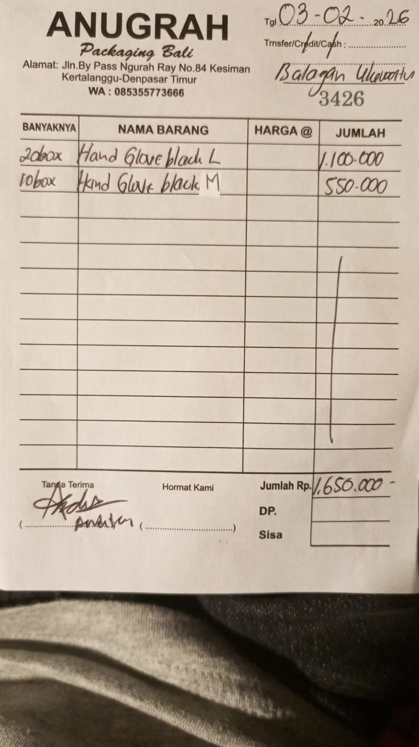 | IDR 55,000 | IDR 1,100,000 | IDR 1,650,000
 |  | HAND GLOVE BLACK M | 10 |  | IDR 55,000 | IDR 550,000
5-Feb-2026 | 3461 | PLASTIC TRASH BAG 90X100 | 450 | 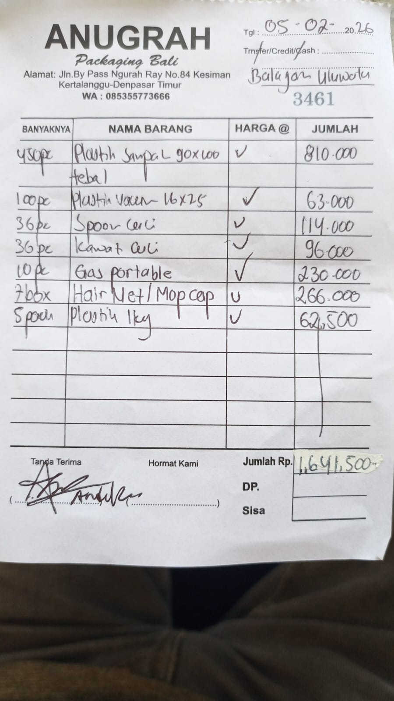 | IDR 1,800 | IDR 810,000 | IDR 1,641,500
 |  | VACUUM 16X25 | 100 |  | Rp630 | IDR 63,000
 |  | DISHWASHING SPONGE | 36 |  | Rp3,167 | IDR 114,000
 |  | DISHWASHING SCRUBBER/ WIRE | 36 |  | Rp2,667 | IDR 96,000
 |  | PORTABLE GAS | 10 |  | Rp23,000 | IDR 230,000
 |  | HAIR NET/ MOP CAP | 7 |  | Rp38,000 | IDR 266,000
 |  | KG PLASTIC | 5 |  | Rp12,500 | IDR 62,500
 |  |  |  |  |  | IDR - | IDR -
GRAND TOTAL |  |  |  |  |  |  | Rp3,291,500

UD Abdi Jaya (Bag, Cup, Box)
DATE | INV NO. | DESCRIPTIONS | AMOUNT | BILLS | PRICE | SUBTOTAL | TOTAL
3-Feb-2026 | 0967/JL/UTM/0226 | LABEL PRICE | 3 | 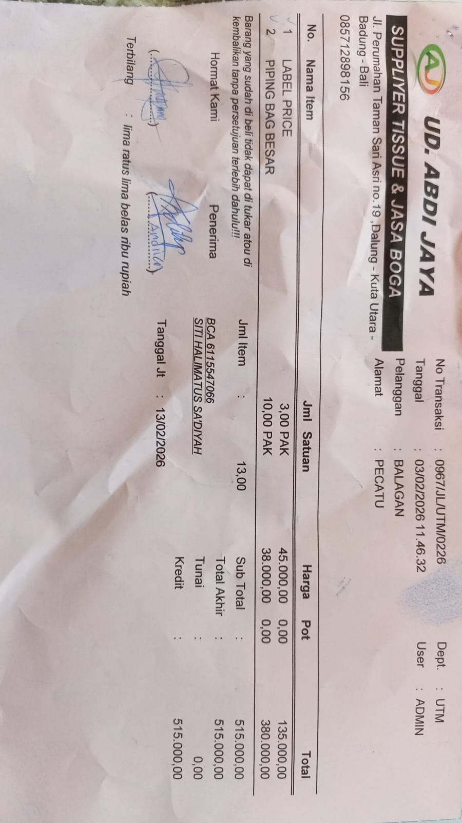 | IDR 45,000 | IDR 135,000 | IDR 515,000
 |  | PIPING BAG | 10 |  | IDR 38,000 | IDR 380,000
 |  |  |  |  |  | IDR - | IDR -
 |  |  |  |  |  | IDR -
 |  |  |  |  |  | IDR -

 |  |  |  |  |  |  | Rp515,000

PT. SUPARMA JAYA TBK (Tissue)
DATE | INV NO. | DESCRIPTIONS | AMOUNT | BILLS | PRICE | TOTAL
2-Feb-2026 | SO05LC2602000202/00 | SEE-U HTM DE / ECONO RED / 20 PK FSC MIX 85% / SUHT-046NN | 80 | 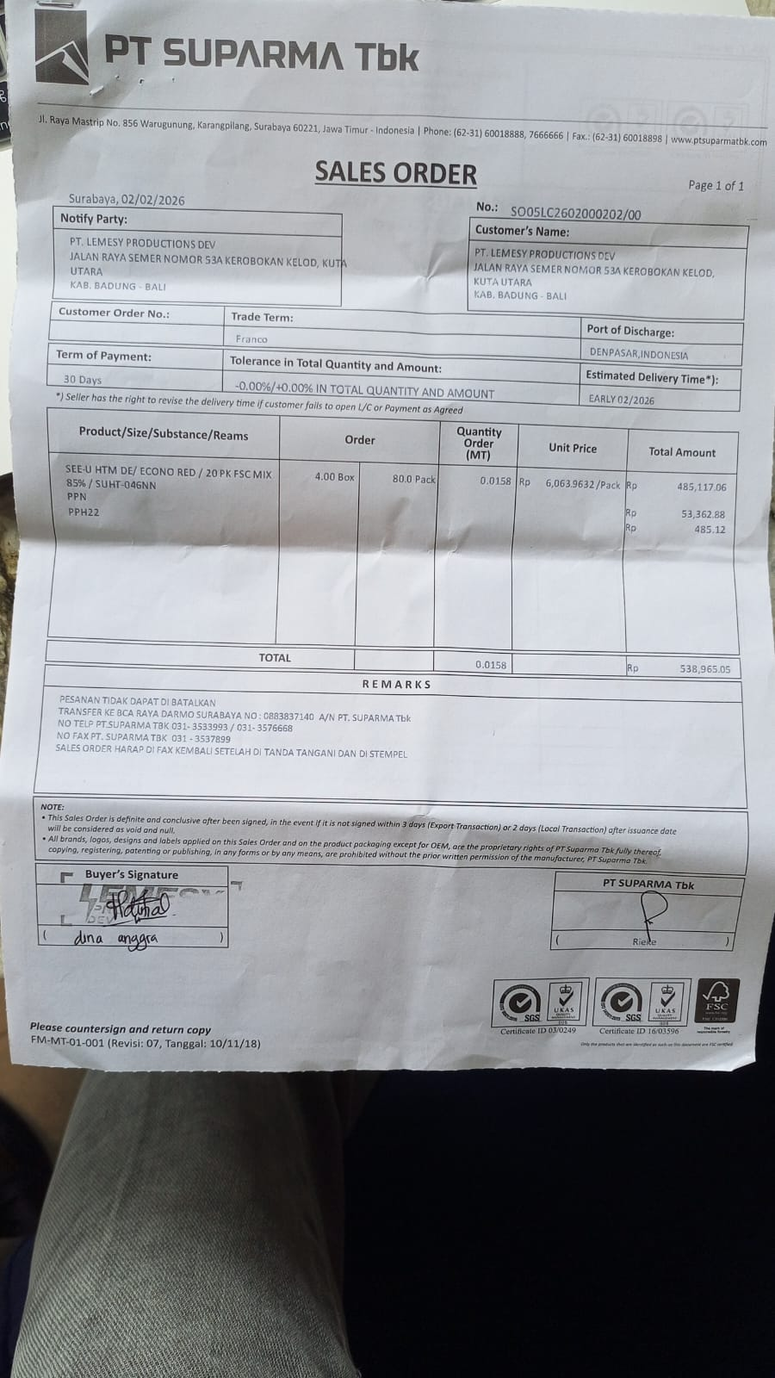 | Rp6,063.9632 | Rp485,117.06

 | SALES PRICE |  |  |  |  | Rp485,117.06
 | PPN |  |  |  |  | Rp53,362.88
 | PPh 22 |  |  |  |  | Rp485.12
 | TOTAL |  |  |  |  | Rp538,965.05

 | SALES PRICE |  |  |  |  | Rp0.00
 | PPN
 | PPh 22 |  |  |  |  | Rp0.00
 | TOTAL |  |  |  |  | Rp0.00
GRAND TOTAL |  |  |  | Rp538,965

Dishy Soap
DATE | DESCRIPTION | QTY | BILLS | PRICE | SUBTOTAL | TOTAL
3-Feb-2026 | DISHY 5 L DISHWASHIG | 5 | 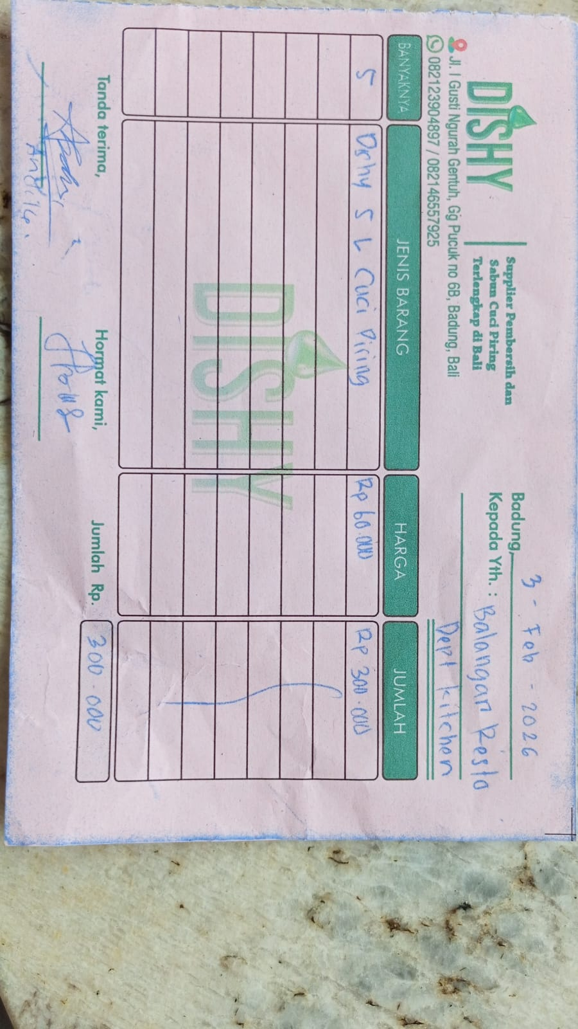 | Rp60,000 | Rp300,000 | Rp300,000

GRAND TOTAL |  |  |  |  |  | Rp300,000

